HeatMap
Sx | Sx | Sx | Pli | Pli | Pli | Lw | Lw | Lw | Fdi | Fdi | Fdi | Cw
39619 | 8482 | 63594 | 32274 | 13903 | 63705 | 39282 | 35192 | 63578 | 48678 | 8492 | 63540 | 53977
Local | Near | Far | Local | Near | Far | Local | Near | Far | Local | Near | Far | Local
Note: At this site the orientation was not north south as in the other trials |  |  |  |  |  |  |  |  |  |  |  |  | 2019 Fall Survival Surveys |  |  |  |  |  |  |  |  |  |  |  |  |  |  |  |  |  | 2020 Spring Survival Surveys |  |  |  |  |  |  |  |  |  |  |  |  |  |  |  |  |  | 2020 Fall Survival Surveys
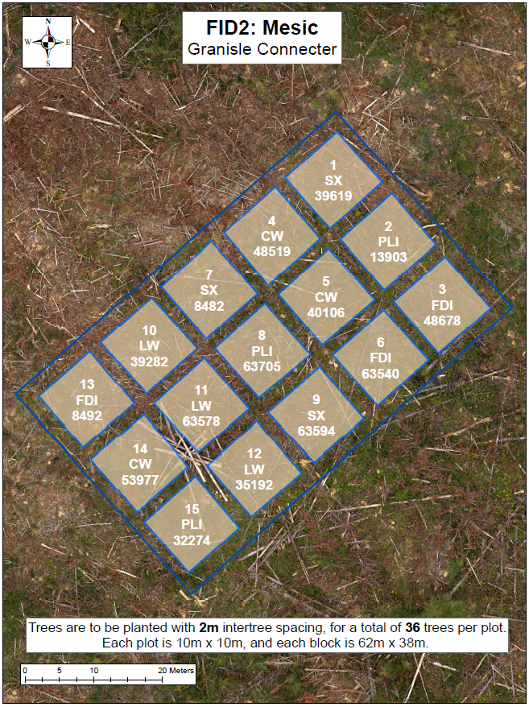
 |  |  |  |  |  |  |  |  |  |  |  |  | Good | Good | Good | Good | Good | Good | Good | Good | Good | Fair | Fair | Good | Good | Good | Fair | Good | Fair | Missing | Fair | Good | Good | Good | Fair | Fair | Good | Good | Good | Good | Good | Good | Good | Good | Fair | Fair | Fair | Missing | Good | Good | Good | Good | Good | Fair | Good | Good | Fair | Poor | Good | Fair | Good | Good | Poor | Poor | Moribund | Missing
 |  |  |  |  |  |  |  |  |  |  |  |  | Good | Good | Good | Good | Good | Good | Good | Good | Good | Good | Poor | Fair | Good | Fair | Fair | Good | Fair | Missing | Good | Good | Good | Good | Good | Good | Good | Good | Fair | Good | Poor | Good | Good | Good | Poor | Poor | Poor | Missing | Good | Good | Good | Good | Good | Good | Fair | Fair | Good | Good | Fair | Good | Good | Good | Poor | Poor | Poor | Missing
 |  |  |  |  |  |  |  |  |  |  |  |  | Good | Fair | Good | Fair | Good | Good | Good | Good | Missing | Missing | Good | Good | Good | Poor | Good | Fair | Good | Good | Good | Good | Good | Good | Good | Good | Good | Fair | Moribund | Poor | Good | Good | Good | Moribund | Fair | Moribund | Good | Fair | Good | Good | Fair | Fair | Good | Good | Good | Good | Missing | Dead | Good | Good | Good | Poor | Fair | Missing | Good | Fair
 |  |  |  |  |  |  |  |  |  |  |  |  | Good | Good | Good | Fair | Good | Good | Fair | Good | Good | Good | Good | Good | Fair | Fair | Fair | Poor | Fair | Fair | Good | Good | Good | Good | Good | Good | Good | Good | Fair | Good | Good | Good | Fair | Poor | Fair | Fair | Poor | Good | Fair | Good | Good | Good | Good | Good | Fair | Good | Good | Good | Good | Good | Fair | Poor | Good | Poor | Dead | Fair
 |  |  |  |  |  |  |  |  |  |  |  |  | Good | Good | Good | Good | Good | Good | Good | Poor | Good | Good | Fair | Good | Fair | Good | Fair | Good | Good | Good | Good | Good | Good | Good | Good | Good | Good | Poor | Fair | Good | Fair | Good | Fair | Good | Fair | Good | Good | Good | Good | Fair | Good | Good | Good | Good | Good | Missing | Fair | Good | Good | Good | Good | Good | Fair | Fair | Fair | Good
 |  |  |  |  |  |  |  |  |  |  |  |  | Fair | Good | Good | Good | Good | Good | Fair | Good | Fair | Good | Good | Good | Fair | Good | Poor | Fair | Good | Fair | Good | Good | Good | Good | Good | Good | Fair | Fair | Good | Fair | Good | Good | Good | Good | Missing | Fair | Moribund | Good | Fair | Good | Good | Good | Good | Good | Good | Good | Good | Good | Good | Good | Fair | Good | Good | Fair | Dead | Good

 |  |  |  |  |  |  |  |  |  |  |  |  | Missing | Good | Good | Good | Good | Good | Good | Fair | Good | Fair | Fair | Good | Poor | Fair | Missing | Poor | Poor | Poor | Missing | Moribund | Fair | Fair | Fair | Poor | Fair | Fair | Fair | Fair | Fair | Fair | Fair | Fair | Fair | Poor | Poor | Poor | Missing | Dead | Fair | Poor | Good | Poor | Fair | Poor | Good | Fair | Fair | Fair | Fair | Fair | Fair | Dead | Fair | Missing
 |  |  |  |  |  |  |  |  |  |  |  |  | Missing | Good | Good | Good | Fair | Good | Good | Fair | Good | Fair | Good | Good | Poor | Moribund | Fair | Poor | Fair | Fair | Missing | Fair | Fair | Fair | Poor | Poor | Good | Fair | Fair | Fair | Fair | Fair | Moribund | Dead | Poor | Missing | Poor | Poor | Missing | Poor | Good | Good | Poor | Poor | Good | Good | Fair | Fair | Good | Good | Dead | Dead | Fair | Missing | Missing | Fair
 |  |  |  |  |  |  |  |  |  |  |  |  | Missing | Good | Good | Good | Fair | Good | Good | Good | Good | Fair | Good | Good | Fair | Poor | Fair | Fair | Poor | Poor | Missing | Fair | Fair | Fair | Fair | Poor | Good | Fair | Poor | Poor | Poor | Good | Fair | Poor | Fair | Fair | Poor | Poor | Missing | Good | Fair | Fair | Good | Poor | Good | Good | Moribund | Poor | Dead | Good | Fair | Moribund | Dead | Fair | Fair | Poor
 |  |  |  |  |  |  |  |  |  |  |  |  | Good | Good | Good | Good | Good | Good | Good | Good | Good | Good | Good | Good | Poor | Fair | Good | Poor | Poor | Poor | Fair | Fair | Good | Poor | Fair | Fair | Fair | Poor | Fair | Fair | Fair | Fair | Moribund | Poor | Fair | Fair | Poor | Poor | Fair | Good | Good | Poor | Good | Poor | Poor | Good | Good | Good | Fair | Poor | Missing | Dead | Poor | Dead | Dead | Poor
 |  |  |  |  |  |  |  |  |  |  |  |  | Good | Good | Good | Fair | Good | Good | Fair | Good | Good | Good | Fair | Good | Poor | Fair | Fair | Good | Poor | Poor | Fair | Fair | Good | Fair | Poor | Poor | Poor | Good | Fair | Fair | Fair | Moribund | Moribund | Fair | Poor | Fair | Poor | Fair | Poor | Poor | Good | Fair | Dead | Moribund | Poor | Good | Moribund | Poor | Poor | Moribund | Dead | Poor | Missing | Good | Dead | Poor
 |  |  |  |  |  |  |  |  |  |  |  |  | Fair | Good | Good | Good | Good | Good | Good | Fair | Good | Good | Good | Good | Poor | Fair | Poor | Fair | Fair | Fair | Poor | Fair | Fair | Poor | Poor | Fair | Poor | Poor | Fair | Fair | Fair | Fair | Fair | Fair | Poor | Fair | Fair | Fair | Good | Fair | Fair | Moribund | Fair | Fair | Poor | Poor | Good | Good | Good | Good | Dead | Fair | Poor | Fair | Poor | Fair

 |  |  |  |  |  |  |  |  |  |  |  |  | Good | Fair | Good | Good | Good | Good | Missing | Good | Fair | Good | Good | Good | Good | Good | Good | Good | Good | Good | Good | Fair | Good | Good | Good | Good | Missing | Good | Fair | Good | Good | Good | Good | Good | Good | Good | Good | Good | Good | Good | Good | Good | Good | Good | Missing | Good | Fair | Good | Fair | Good | Good | Good | Good | Good | Good | Good
 |  |  |  |  |  |  |  |  |  |  |  |  | Fair | Good | Fair | Fair | Good | Good | Missing | Good | Fair | Good | Good | Good | Good | Fair | Good | Fair | Good | Good | Fair | Good | Good | Good | Good | Good | Missing | Poor | Fair | Poor | Fair | Fair | Good | Good | Good | Good | Fair | Good | Fair | Good | Good | Fair | Good | Fair | Missing | Dead | Fair | Dead | Good | Good | Good | Good | Good | Fair | Good | Good
 |  |  |  |  |  |  |  |  |  |  |  |  | Good | Good | Good | Good | Good | Good | Missing | Good | Poor | Fair | Good | Good | Good | Good | Fair | Good | Good | Good | Good | Good | Fair | Good | Good | Good | Missing | Good | Good | Good | Good | Good | Good | Good | Fair | Good | Good | Good | Good | Good | Fair | Good | Good | Good | Missing | Good | Good | Good | Good | Good | Good | Good | Fair | Fair | Good | Good
 |  |  |  |  |  |  |  |  |  |  |  |  | Good | Good | Good | Good | Good | Fair | Good | Good | Good | Poor | Good | Good | Good | Good | Good | Fair | Good | Good | Good | Fair | Good | Good | Good | Good | Fair | Good | Good | Good | Good | Good | Good | Good | Good | Good | Good | Good | Good | Fair | Good | Good | Good | Good | Fair | Good | Good | Good | Fair | Good | Good | Good | Good | Good | Good | Good
 |  |  |  |  |  |  |  |  |  |  |  |  | Good | Good | Good | Good | Good | Good | Good | Good | Fair | Fair | Good | Fair | Good | Fair | Good | Good | Good | Good | Good | Good | Good | Good | Good | Good | Good | Fair | Good | Good | Good | Poor | Good | Good | Good | Good | Good | Good | Good | Good | Good | Good | Good | Good | Good | Good | Good | Good | Fair | Dead | Good | Good | Good | Good | Good | Good
 |  |  |  |  |  |  |  |  |  |  |  |  | Good | Good | Fair | Good | Fair | Fair | Good | Fair | Good | Good | Fair | Good | Fair | Fair | Good | Good | Good | Good | Good | Good | Fair | Good | Fair | Fair | Good | Good | Good | Fair | Good | Good | Fair | Good | Good | Good | Good | Fair | Good | Good | Good | Good | Good | Good | Good | Good | Good | Dead | Poor | Fair | Poor | Good | Good | Good | Good | Good

 |  |  |  |  |  |  |  |  |  |  |  |  | Good | Fair | Good | Good | Poor | Good | Good | Good | Good | Good | Good | Good | Good | Good | Good | Good | Fair | Good | Fair | Fair | Fair | Fair | Fair | Moribund | Poor | Dead | Poor | Poor | Moribund | Moribund | Poor | Moribund | Poor | Poor | Poor | Poor | Fair | Poor | Fair | Poor | Good | Missing | Dead | Dead | Poor | Dead | Dead | Missing | Dead | Dead | Poor | Fair | Good | Good
 |  |  |  |  |  |  |  |  |  |  |  |  | Good | Fair | Good | Good | Fair | Fair | Good | Good | Good | Good | Good | Good | Good | Fair | Good | Good | Poor | Good | Fair | Fair | Poor | Poor | Good | Poor | Poor | Poor | Moribund | Poor | Poor | Moribund | Poor | Poor | Poor | Poor | Poor | Fair | Moribund | Good | Dead | Dead | Good | Missing | Dead | Fair | Fair | Good | Missing | Dead | Good | Dead | Dead | Dead | Missing | Fair
 |  |  |  |  |  |  |  |  |  |  |  |  | Fair | Fair | Poor | Poor | Good | Poor | Good | Good | Good | Good | Good | Poor | Missing | Fair | Fair | Good | Fair | Poor | Moribund | Fair | Moribund | Poor | Fair | Fair | Poor | Moribund | Moribund | Poor | Poor | Poor | Missing | Fair | Poor | Fair | Dead | Poor | Missing | Poor | Dead | Dead | Poor | Moribund | Fair | Dead | Fair | Dead | Dead | Good | Missing | Good | Fair | Poor | Dead | Dead
 |  |  |  |  |  |  |  |  |  |  |  |  | Good | Good | Good | Good | Fair | Good | Good | Good | Good | Good | Poor | Fair | Fair | Good | Fair | Good | Good | Good | Poor | Poor | Fair | Fair | Good | Fair | Poor | Moribund | Moribund | Dead | Moribund | Dead | Good | Poor | Poor | Poor | Poor | Moribund | Dead | Moribund | Fair | Poor | Poor | Dead | Fair | Dead | Dead | Dead | Dead | Dead | Good | Missing | Good | Fair | Good | Dead
 |  |  |  |  |  |  |  |  |  |  |  |  | Fair | Fair | Fair | Good | Good | Good | Good | Poor | Good | Fair | Fair | Poor | Fair | Good | Poor | Poor | Good | Good | Poor | Poor | Good | Poor | Fair | Poor | Poor | Dead | Dead | Dead | Poor | Poor | Dead | Poor | Dead | Poor | Poor | Fair | Dead | Dead | Fair | Moribund | Good | Missing | Good | Dead | Dead | Missing | Dead | Poor | Dead | Dead | Dead | Poor | Dead | Fair
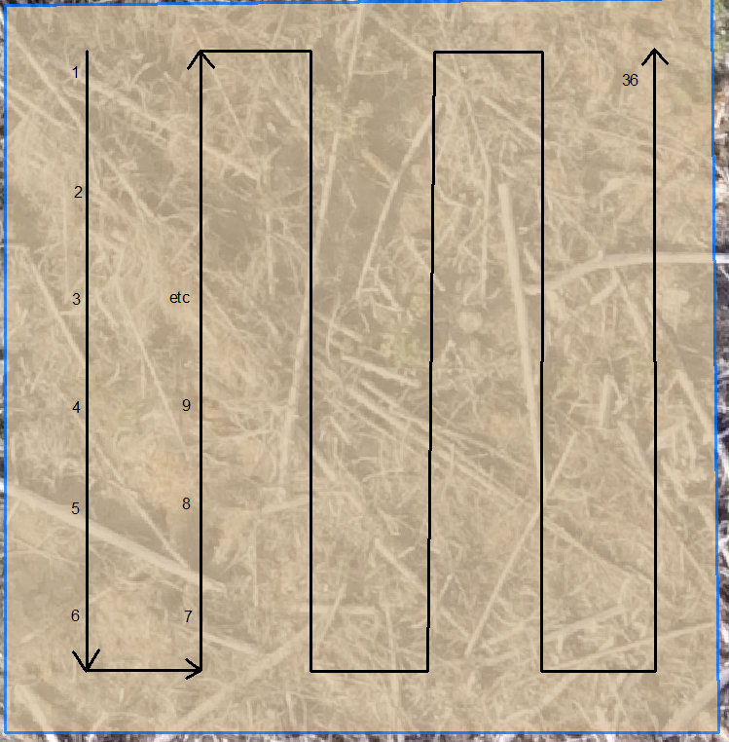
 |  |  |  |  |  |  |  |  |  |  |  |  | Poor | Good | Good | Good | Good | Fair | Fair | Good | Fair | Fair | Good | Good | Fair | Good | Good | Good | Good | Good | Poor | Poor | Poor | Good | Poor | Moribund | Dead | Poor | Moribund | Dead | Dead | Dead | Fair | Poor | Poor | Good | Fair | Poor | Dead | Poor | Dead | Fair | Poor | Missing | Dead | Good | Good | Dead | Dead | Dead | Fair | Dead | Missing | Good | Good | Good

 |  |  |  |  |  |  |  |  |  |  |  |  | Fair | Good | Good | Poor | Fair | Good | Good | Fair | Good | Good | Fair | Good | Good | Fair | Good | Fair | Good | Fair | Fair | Good | Fair | Poor | Fair | Poor | Poor | Poor | Poor | Fair | Fair | Fair | Good | Fair | Good | Good | Good | Fair | Fair | Good | Fair | Moribund | Fair | Dead | Moribund | Missing | Good | Fair | Poor | Poor | Good | Good | Good | Good | Good | Good
 |  |  |  |  |  |  |  |  |  |  |  |  | Good | Poor | Good | Good | Good | Good | Good | Good | Good | Good | Good | Good | Fair | Good | Good | Good | Good | Poor | Fair | Poor | Poor | Poor | Poor | Good | Poor | Poor | Fair | Poor | Good | Poor | Good | Good | Good | Good | Good | Poor | Good | Poor | Dead | Dead | Good | Good | Moribund | Poor | Good | Poor | Good | Poor | Good | Good | Good | Good | Good | Fair
 |  |  |  |  |  |  |  |  |  |  |  |  | Fair | Good | Fair | Fair | Good | Good | Good | Good | Good | Good | Good | Good | Fair | Good | Poor | Good | Good | Fair | Fair | Fair | Fair | Good | Fair | Fair | Fair | Poor | Poor | Poor | Poor | Poor | Good | Fair | Good | Good | Good | Fair | Good | Good | Good | Fair | Good | Good | Poor | Good | Good | Poor | Poor | Dead | Good | Good | Good | Good | Good | Good
 |  |  |  |  |  |  |  |  |  |  |  |  | Poor | Fair | Good | Poor | Fair | Fair | Good | Fair | Good | Good | Good | Fair | Good | Good | Good | Good | Good | Poor | Poor | Poor | Good | Poor | Fair | Dead | Poor | Poor | Poor | Poor | Poor | Poor | Good | Fair | Good | Good | Good | Good | Poor | Poor | Good | Good | Fair | Missing | Dead | Dead | Fair | Poor | Poor | Poor | Good | Good | Good | Good | Good | Good
 |  |  |  |  |  |  |  |  |  |  |  |  | Good | Fair | Fair | Fair | Fair | Good | Good | Poor | Poor | Poor | Good | Good | Fair | Fair | Fair | Good | Good | Good | Good | Good | Poor | Poor | Good | Good | Poor | Poor | Moribund | Poor | Poor | Poor | Fair | Good | Good | Good | Good | Good | Good | Good | Dead | Fair | Good | Good | Poor | Poor | Dead | Fair | Dead | Poor | Good | Good | Good | Good | Good | Good
 |  |  |  |  |  |  |  |  |  |  |  |  | Good | Fair | Fair | Fair | Fair | Good | Fair | Moribund | Moribund | Good | Good | Poor | Fair | Good | Good | Poor | Good | Good | Good | Good | Fair | Fair | Good | Good | Fair | Moribund | Moribund | Good | Poor | Poor | Good | Good | Good | Fair | Good | Poor | Good | Fair | Fair | Good | Good | Good | Fair | Dead | Poor | Good | Good | Good | Good | Good | Fair | Good | Good | Poor

Height Stats
 | Sx | Sx | Sx | Pli | Pli | Pli | Lw | Lw | Lw | Fdi | Fdi | Fdi | Cw | Cw | Cw
 | 39619 | 8482 | 63594 | 32274 | 13903 | 63705 | 39282 | 35192 | 63578 | 48678 | 8492 | 63540 | 53977 | 48519 | 40106
Average Height (cm) | 47.7 | 45.7 | 47.4 | 43.2 | 43.2 | 52.5 | 35.3 | 44.4 | 28.6 | 27.6 | 29.2 | 17.5 | 30.1 | 31.6 | 28.9
Min Height | 31.0 | 29.0 | 25.0 | 23.0 | 20.0 | 27.0 | 14.0 | 25.0 | 6.0 | 10.0 | 12.0 | 11.0 | 10.0 | 16.0 | 13.0
Max Height | 59.0 | 69.0 | 60.0 | 61.0 | 68.0 | 74.0 | 54.0 | 63.0 | 47.0 | 50.0 | 57.0 | 25.0 | 52.0 | 44.0 | 42.0
Average Diameter (mm) | 9.5 | 9.8 | 9.2 | 10.8 | 9.3 | 11.2 | 6.5 | 7.1 | 5.8 | 6.8 | 7.6 | 4.2 | 6.7 | 5.4 | 6.1
Min Diameter | 6.0 | 5.0 | 4.0 | 6.0 | 3.0 | 8.0 | 3.0 | 6.0 | 3.0 | 3.0 | 3.0 | 3.0 | 3.0 | 3.0 | 3.0
Max Diameter | 14.0 | 15.0 | 13.0 | 17.0 | 15.0 | 15.0 | 13.0 | 10.0 | 9.0 | 11.0 | 13.0 | 7.0 | 11.0 | 10.0 | 10.0
Average Leader Length (cm) | 15.8 | 15.7 | 16.5 | 22.0 | 16.4 | 24.1 | 4.9 | 17.1 | 13.1 | 8.8 | 7.3 | 4.1 | 6.7 | 4.2 | 9.8
Min Leader Length | 5.0 | 1.0 | 0.0 | 7.0 | 0.0 | 9.0 | 0.0 | 0.0 | 2.0 | 0.0 | 0.0 | 0.0 | 0.0 | 0.0 | 4.0
Max Leader Length | 22.0 | 26.0 | 31.0 | 43.0 | 42.0 | 46.0 | 22.0 | 33.0 | 22.0 | 26.0 | 24.0 | 8.0 | 26.0 | 12.0 | 14.0

